Sheet1
200.22

 | Metrics | 40 | Metrics
 | Infrastructure Integrations | 87 | Metrics
 | APM events | 53 | Traces
 | Logging | 214 | Logs
 | Tracing | 38 | Traces
 | Infrastructure Hosts | 1 | Metrics
 | Infrastrucure Processes | 2 | Metrics
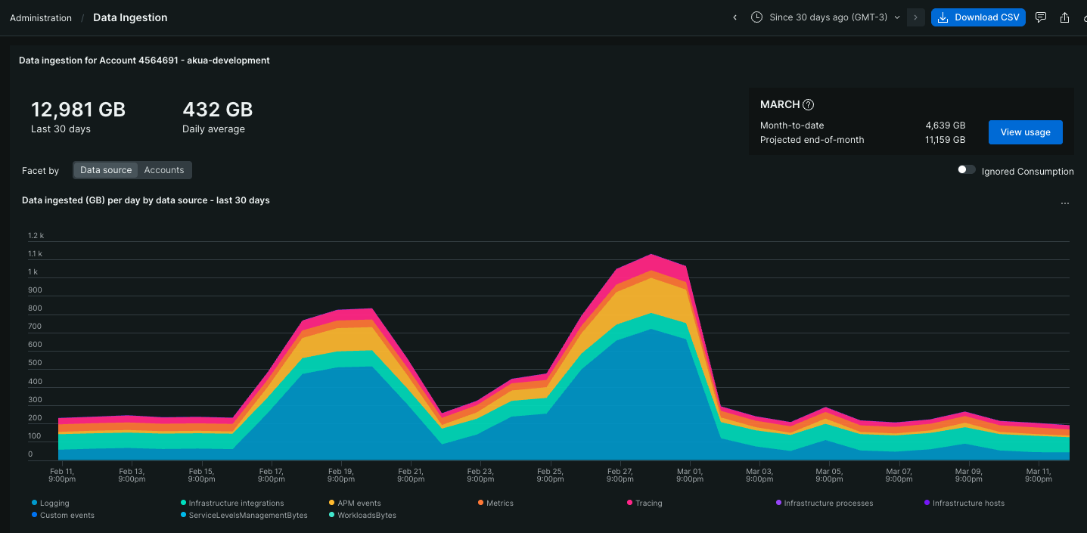
 | Custom events | 1 | Logs
 | Serverless | 0 | Logs
 | Browser events | 0 | RUM

 | Logs | 215
 | Metrics | 130 | 130,000 | <- numseries
 | Traces | 91
 | RUM | 0

